Sheet1
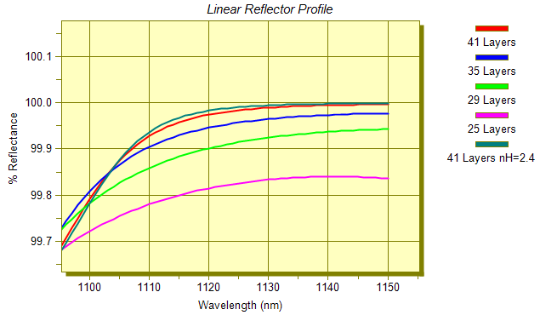
Copied from Targets dialog |  |  |  |  |  | Pasted into Targets dialog

% Refl | 864 | 95.6 | 1 | 0 | R | % Refl | 864 | 95.6 | 1 | 0 | R
% Refl | 872.3 | 100 | 1 | 0 | R | % Refl | 872.3 | 95.746666667 | 1 | 0 | R
% Refl | 880.6 | 100 | 1 | 0 | R | % Refl | 880.6 | 95.893333333 | 1 | 0 | R
% Refl | 888.9 | 100 | 1 | 0 | R | % Refl | 888.9 | 96.04 | 1 | 0 | R
% Refl | 897.2 | 100 | 1 | 0 | R | % Refl | 897.2 | 96.186666667 | 1 | 0 | R
% Refl | 905.5 | 100 | 1 | 0 | R | % Refl | 905.5 | 96.333333333 | 1 | 0 | R
% Refl | 913.8 | 100 | 1 | 0 | R | % Refl | 913.8 | 96.48 | 1 | 0 | R
% Refl | 922.1 | 100 | 1 | 0 | R | % Refl | 922.1 | 96.626666667 | 1 | 0 | R
% Refl | 930.4 | 100 | 1 | 0 | R | % Refl | 930.4 | 96.773333333 | 1 | 0 | R
% Refl | 938.7 | 100 | 1 | 0 | R | % Refl | 938.7 | 96.92 | 1 | 0 | R
% Refl | 947 | 100 | 1 | 0 | R | % Refl | 947 | 97.066666667 | 1 | 0 | R
% Refl | 955.3 | 100 | 1 | 0 | R | % Refl | 955.3 | 97.213333333 | 1 | 0 | R
% Refl | 963.6 | 100 | 1 | 0 | R | % Refl | 963.6 | 97.36 | 1 | 0 | R
% Refl | 971.9 | 100 | 1 | 0 | R | % Refl | 971.9 | 97.506666667 | 1 | 0 | R
% Refl | 980.2 | 100 | 1 | 0 | R | % Refl | 980.2 | 97.653333333 | 1 | 0 | R
% Refl | 988.5 | 100 | 1 | 0 | R | % Refl | 988.5 | 97.8 | 1 | 0 | R
% Refl | 996.8 | 100 | 1 | 0 | R | % Refl | 996.8 | 97.946666667 | 1 | 0 | R
% Refl | 1005.1 | 100 | 1 | 0 | R | % Refl | 1005.1 | 98.093333333 | 1 | 0 | R
% Refl | 1013.4 | 100 | 1 | 0 | R | % Refl | 1013.4 | 98.24 | 1 | 0 | R
% Refl | 1021.7 | 100 | 1 | 0 | R | % Refl | 1021.7 | 98.386666667 | 1 | 0 | R
% Refl | 1030 | 100 | 1 | 0 | R | % Refl | 1030 | 98.533333333 | 1 | 0 | R
% Refl | 1038.3 | 100 | 1 | 0 | R | % Refl | 1038.3 | 98.68 | 1 | 0 | R
% Refl | 1046.6 | 100 | 1 | 0 | R | % Refl | 1046.6 | 98.826666667 | 1 | 0 | R
% Refl | 1054.9 | 100 | 1 | 0 | R | % Refl | 1054.9 | 98.973333333 | 1 | 0 | R
% Refl | 1063.2 | 100 | 1 | 0 | R | % Refl | 1063.2 | 99.12 | 1 | 0 | R
% Refl | 1071.5 | 100 | 1 | 0 | R | % Refl | 1071.5 | 99.266666667 | 1 | 0 | R
% Refl | 1079.8 | 100 | 1 | 0 | R | % Refl | 1079.8 | 99.413333333 | 1 | 0 | R
% Refl | 1088.1 | 100 | 1 | 0 | R | % Refl | 1088.1 | 99.56 | 1 | 0 | R
% Refl | 1096.4 | 100 | 1 | 0 | R | % Refl | 1096.4 | 99.706666667 | 1 | 0 | R
% Refl | 1104.7 | 100 | 1 | 0 | R | % Refl | 1104.7 | 99.853333333 | 1 | 0 | R
% Refl | 1113 | 100 | 1 | 0 | R | % Refl | 1113 | 100 | 1 | 0 | R

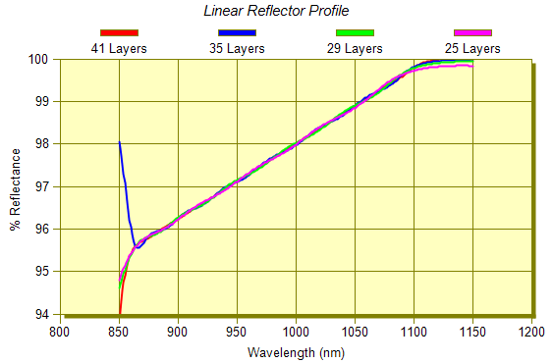
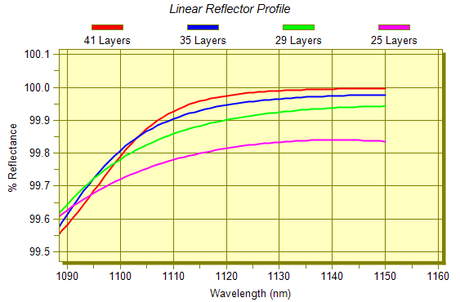

41 Layers | .03693H .07396L .42553H .35817L .37906H .30503L .36361H .29919L .38143H .25170L .35836H .34378L .27364H .37111L .28194H .32169L .36465H .28198L .29565H .34838L .34882H .27334L .28804H .34556L .35372H .28627L .25334H .31220L .35208H .34287L .25626H .24937L .24980H .25036L .24768H .24977L .24980H .25001L .25041H .25111L .25250H

35 Layers | .47729H .22884L .39961H .38842L .21450H .34663L .42213H .30724L .08745H .35102L .48951H .19448L .18969H .37089L .39958H .28329L .22751H .34050L .37800H .31112L .20297H .29771L .35380H .35813L .27165H .19226L .25243H .26238L .24412H .24277L .24079H .23836L .23768H .24532L .27160H

29 Layers | .48847H .28604L .09890H .54786L .27095H .31975L .06711H .56496L .24880H .25290L .35611H .41385L .24713H .25070L .25017H .39849L .37397H .24592L .24841H .24816L .24787H .24782L .24806H .24870L .25007H .25319L .26046H .27641L .30201H

25 Layers | .46427H .33728L .11918H .52061L .25132H .24863L .37462H .39627L .24773H .24791L .24780H .43664L .32421H .24471L .24612H .24636L .24642H .24646L .24656H .24678L .24722H .24818L .25028H .25774L .35052H

FilmStar DESIGN Edgerstoune Optics Princeton, NJ 05-09-2014 12:41
--------------------------------------------------------------------------
Work File: 05-09-2014 11:32
--------------------------------------------------------------------------
Design Wave 990 nm FWD ignore Side 2 Angle 0

Design (from substrate) - FILM Archive LinReflNIR_Opti

1 .03485H 2 .08317L 3 .43470H 4 .35756L 5 .37672H
6 .31226L 7 .35669H 8 .30379L 9 .38129H 10 .24929L
11 .35901H 12 .34196L 13 .27866H 14 .36703L 15 .28377H
16 .32225L 17 .36308H 18 .28258L 19 .29691H 20 .34698L
21 .34830H 22 .27462L 23 .28909H 24 .34396L 25 .35222H
26 .28952L 27 .25263H 28 .31275L 29 .34914H 30 .34280L
31 .25946H 32 .24985L 33 .24956H 34 .25014L 35 .24682H
36 .25000L 37 .25000H 38 .25000L 39 .25000H 40 .25000L
41 .25000H

Film Indices Symbols: L,H:QWOT=.25

Indx File
Symb $Funct A(n) B(k) C D E F G
--------------------------------------------------------------------------
AIR 1.0 0 · · · · ·
SUB 1.52 0 · · · · ·
--------------------------------------------------------------------------
L 1.46 0 · · · · ·
H 2.3 0 · · · · ·

